Example
Canvas Layout | (px) |  | Space between visuals |  |  | Canvas Padding |  |  | Overwrite % Row Size
Height | 1080 |  | Column space | 10 |  | Left space | 190 |  | Nº of Rows | 3
Width | 1920 |  | Row space | 10 |  | Right space | 24 |  | 1st % Size | 20%
 |  |  |  |  |  | Top space | 124 |  | 2nd % Size | 40%
 |  |  |  |  |  | Bottom space | 24 |  | 3rd % Size | 40%
 |  |  |  |  |  |  |  |  | ok check
 |  |  |  |  |  |  |  |  |  |  | Example used in the following template
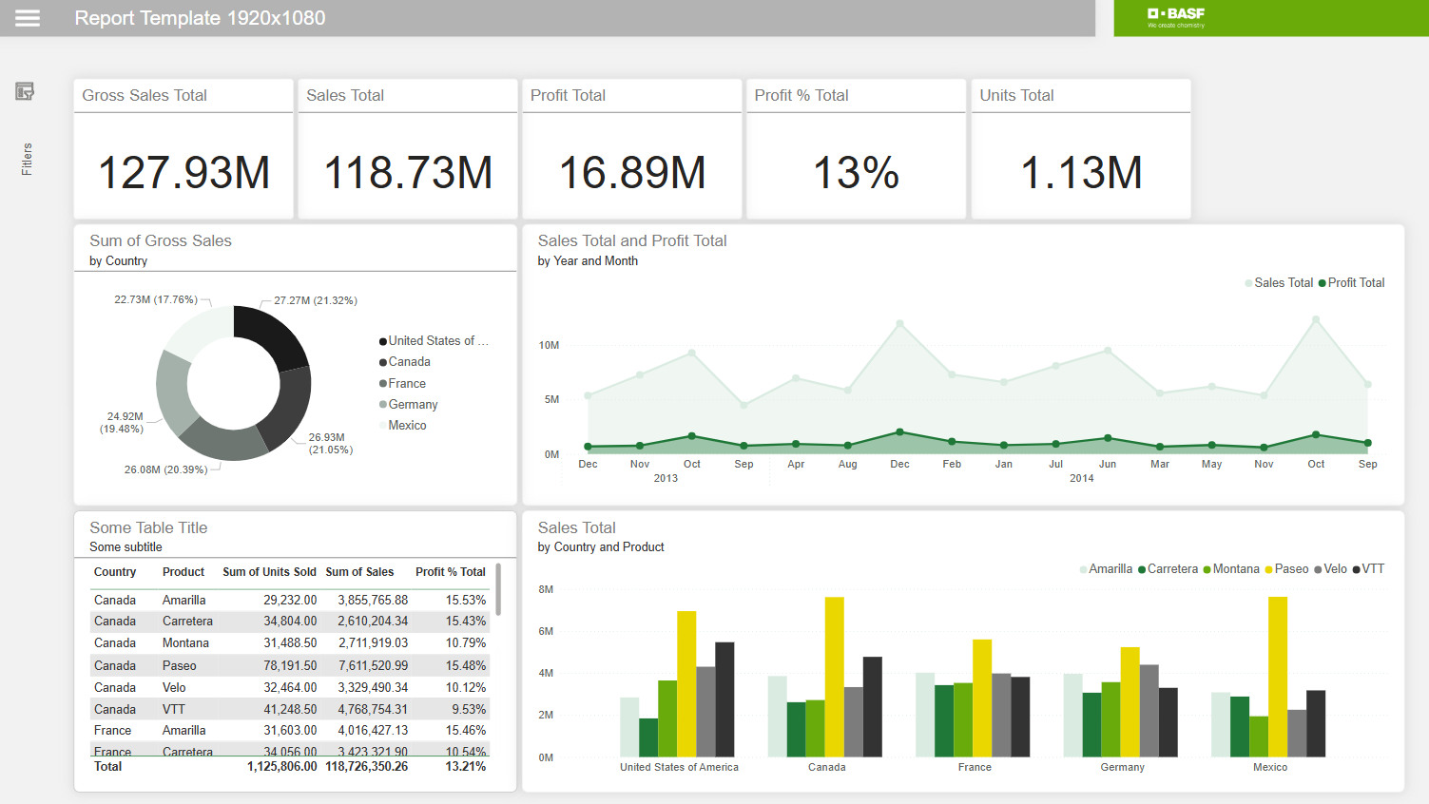
 |  |  |  | Top-Left |  |  | Top-Right
 |  |  |  | First Visual | Second Visual | Third Visual | Fourth Visual | Fifth Visual | Sixth Visual
Nº Columns | 6 | First Row | Height | 182 | 182 | 182 | 182 | 182 | 182
 |  |  | Width | 276 | 276 | 276 | 276 | 276 | 276
 |  |  | Horizontal | 190 | 476 | 762 | 1048 | 1334 | 1620
 |  |  | Vertical | 124 | 124 | 124 | 124 | 124 | 124
 |  |  | Column % | 17% | 17% | 17% | 17% | 17% | 17%
 |  |  | Row % | 20% | 20% | 20% | 20% | 20% | 20%
 |  | Overwrite Column % |  |  |  |  |  |  |  | ok check

Nº Columns | 2 | Second Row | Height | 365 | 365 | 0 | 0 | 0 | 0
 |  |  | Width | 560 | 1136 | 0 | 0 | 0 | 0
 |  |  | Horizontal | 190 | 760 | 0 | 0 | 0 | 0
 |  |  | Vertical | 316 | 316 | 0 | 0 | 0 | 0
 |  |  | Column % | 33% | 67% | 0% | 0% | 0% | 0%
 |  |  | Row % | 40% | 40% | 0% | 0% | 0% | 0%
 |  | Overwrite Column % |  | 33% | 67% |  |  |  |  | ok check

Nº Columns | 1 | Second Row | Height | 365 | 0 | 0 | 0 | 0 | 0
 |  |  | Width | 563 | 0 | 0 | 0 | 0 | 0
 |  |  | Horizontal | 190 | 0 | 0 | 0 | 0 | 0
 |  |  | Vertical | 691 | 0 | 0 | 0 | 0 | 0
 |  |  | Column % | 33% | 0% | 0% | 0% | 0% | 0%
 |  |  | Row % | 40% | 0% | 0% | 0% | 0% | 0%
 |  | Overwrite Column % |  | 33% | 67% |  |  |  |  | ok check
 |  |  |  | Bottom-Left |  |  | Bottom-Right

